Photographs
PHOTOGRAPHS OF THE ACTIVITIES OF QTR-4 |  | Back
 | Photograph of Sl. No. 1 (a):
 | Installation, commissioning of Drinking Water Plants / ATM
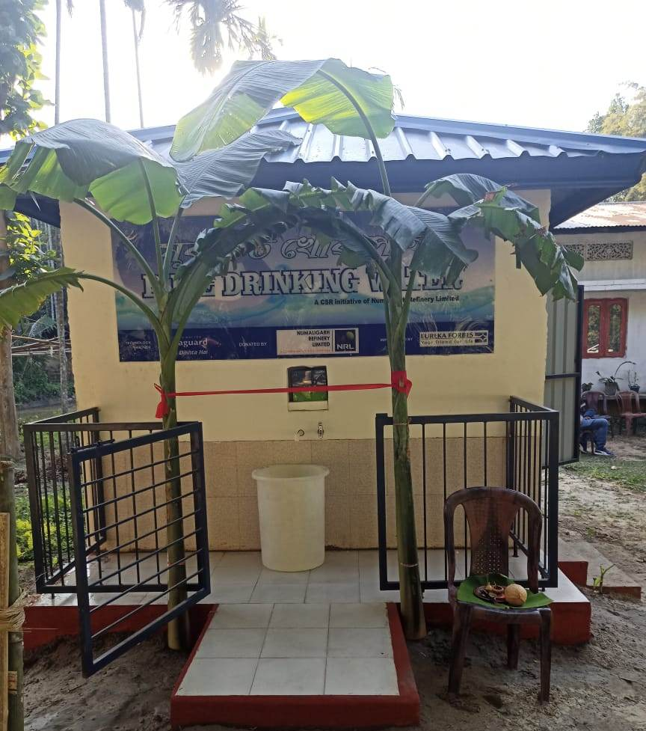
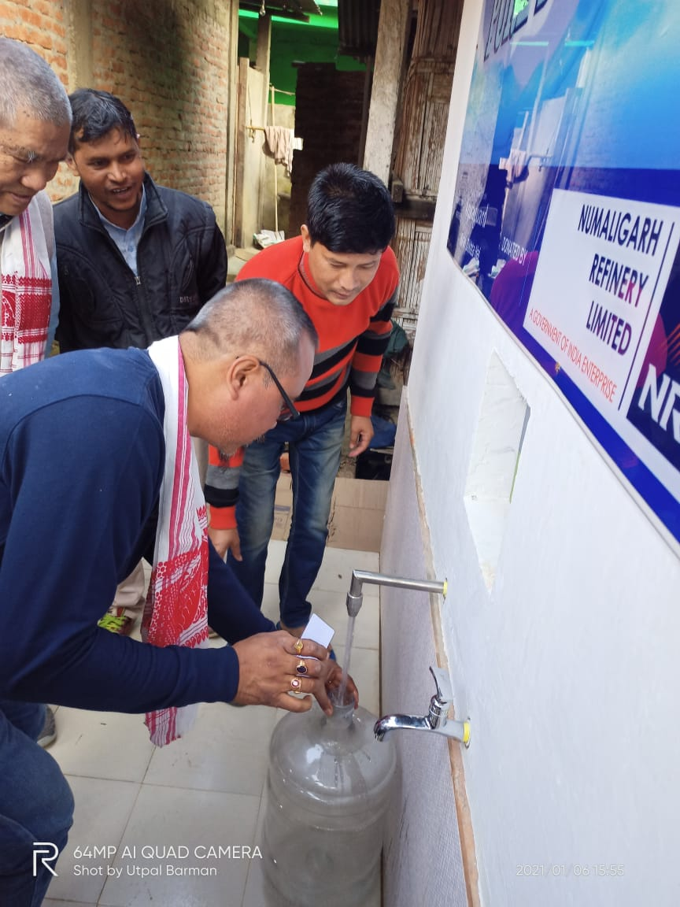

 | Photograph of Sl. No. 2 (c):
 | Installation & commissioning of Medical equipment at Holy Sprit Hospital, Haflong, Dema Hasao

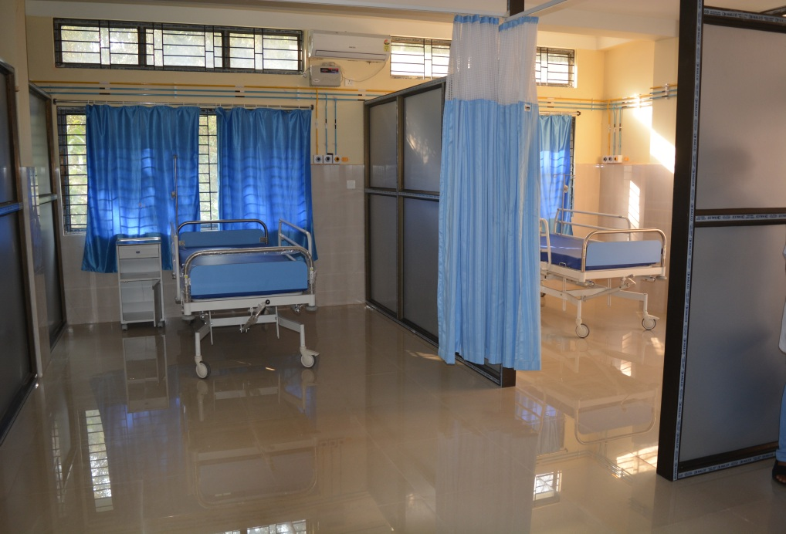
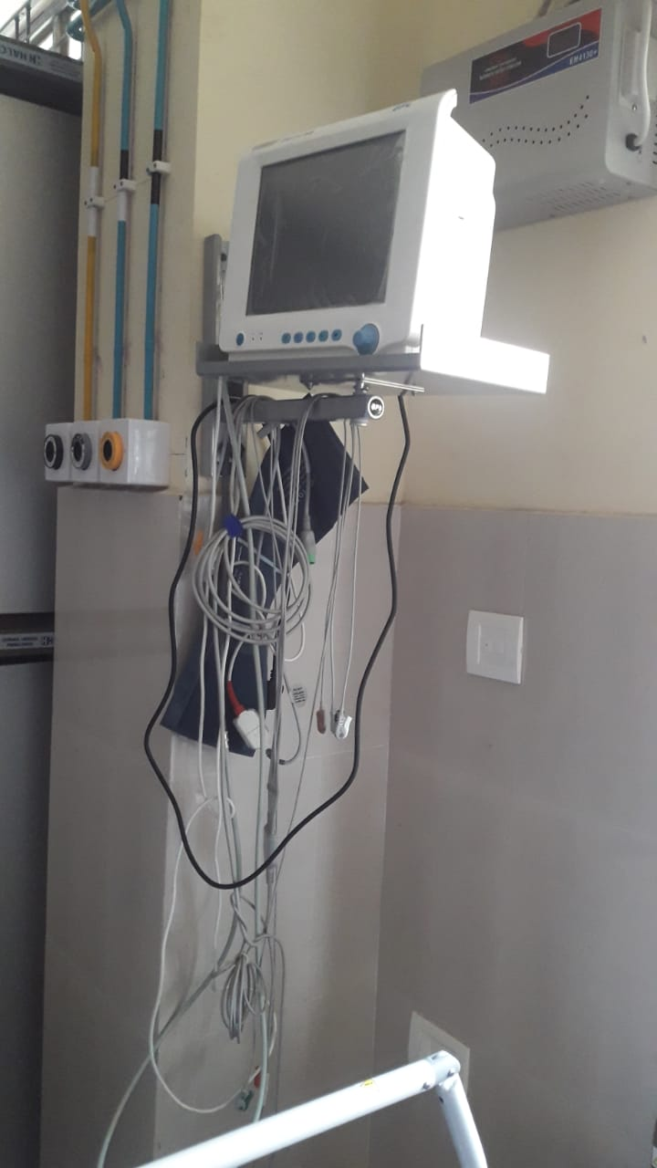

 | Photograph of Sl. No. 2 (e):
 | Providing play equipment to Children Park of Sukafa khetro, Khumtai
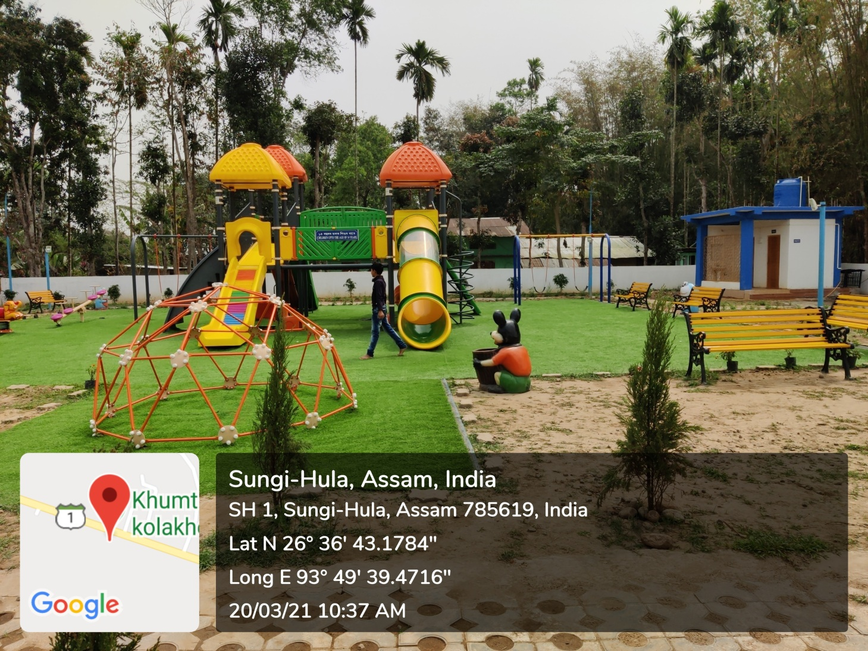

 | Photograph of Sl. No. 2 (h):
 | Providing Ambulance to Young Paite Association, Guwahati

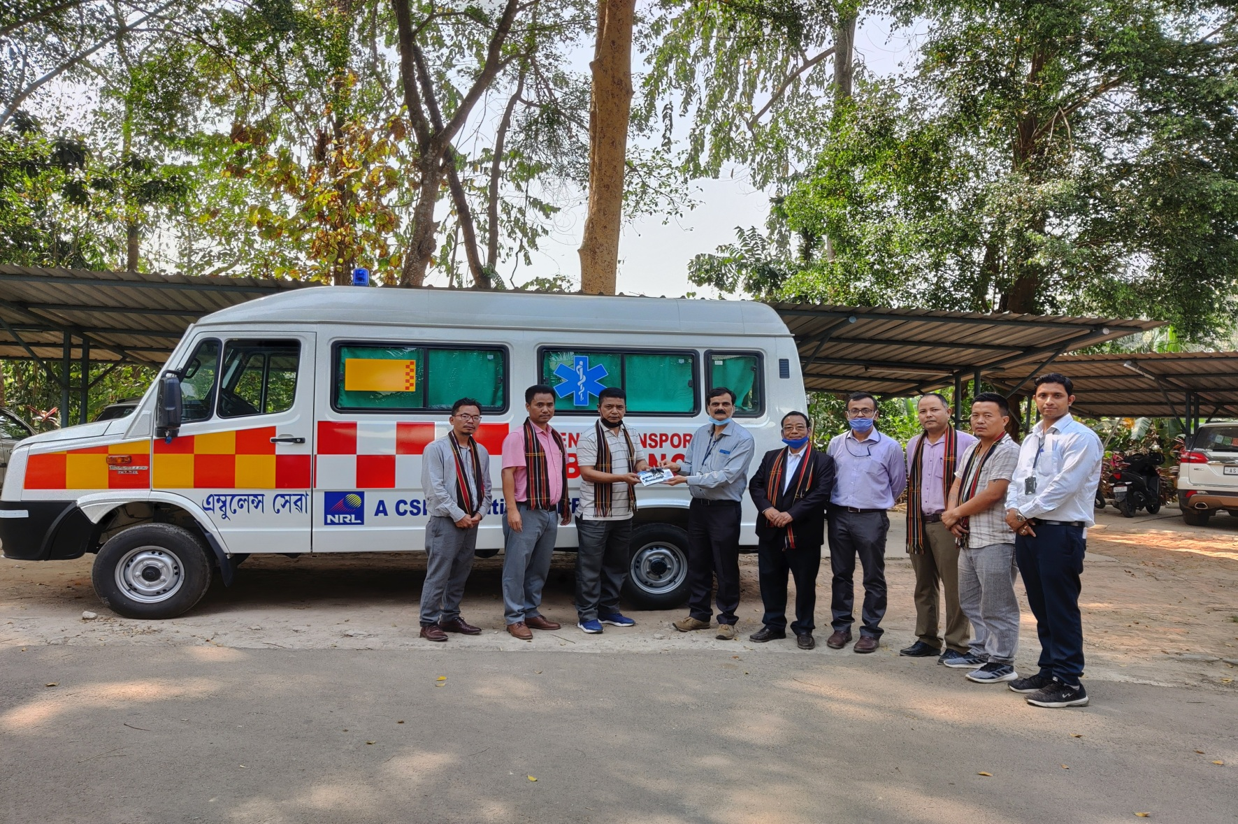

 | Photograph of Sl. No. 2 (i):
 | Inauguration of Paediatric Oncology Ward at Dr. B. Borooah Cancer Institute, Guwahati

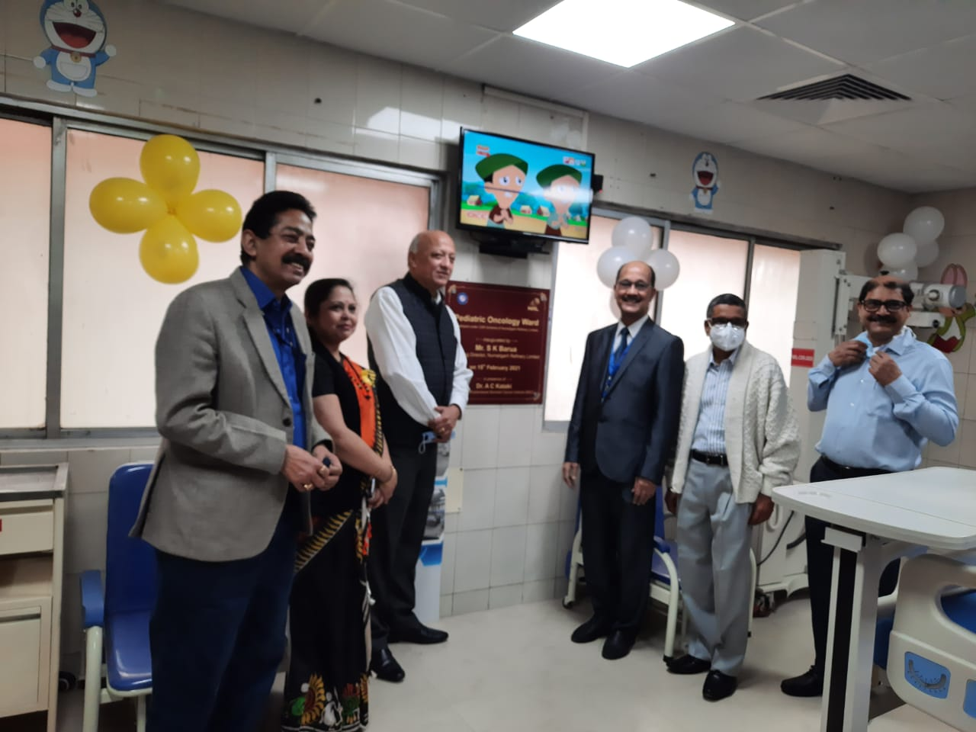
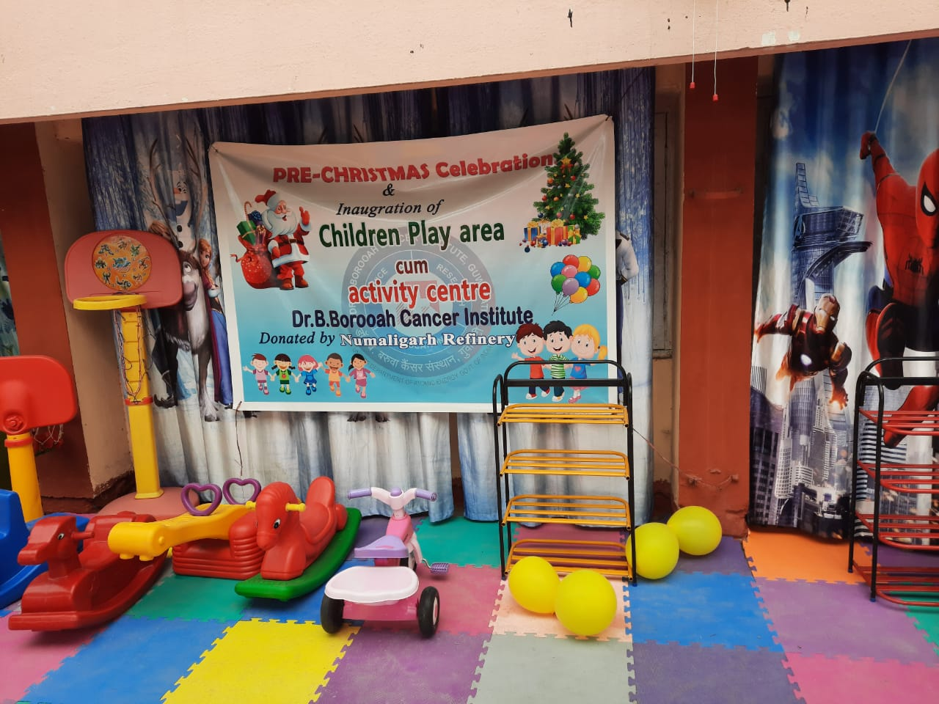

 | Photograph of Sl. No. 3 (a):
 | 'Project-Swacchh Vidyalaya Abhiyan'
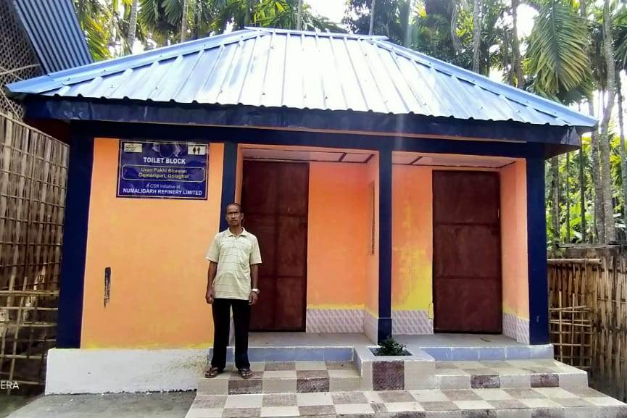
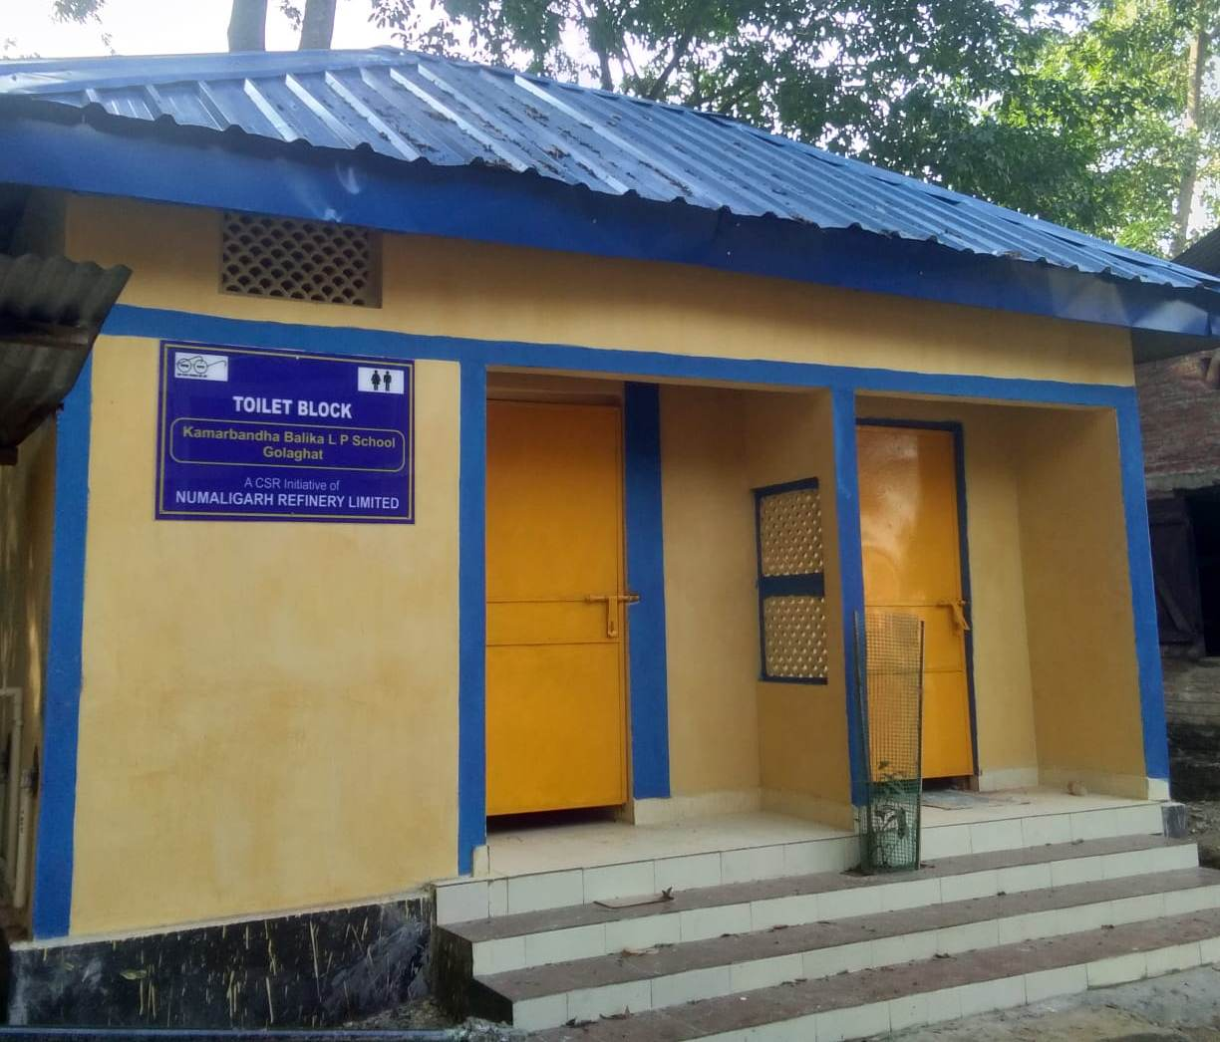

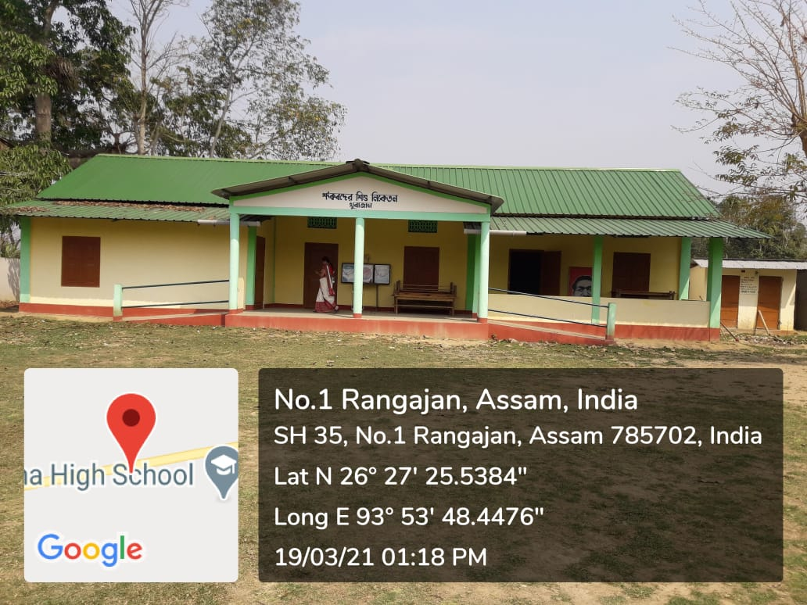
 | Photograph of Sl. No. 4 (a):
 | Construction / renovation of School infrastructure

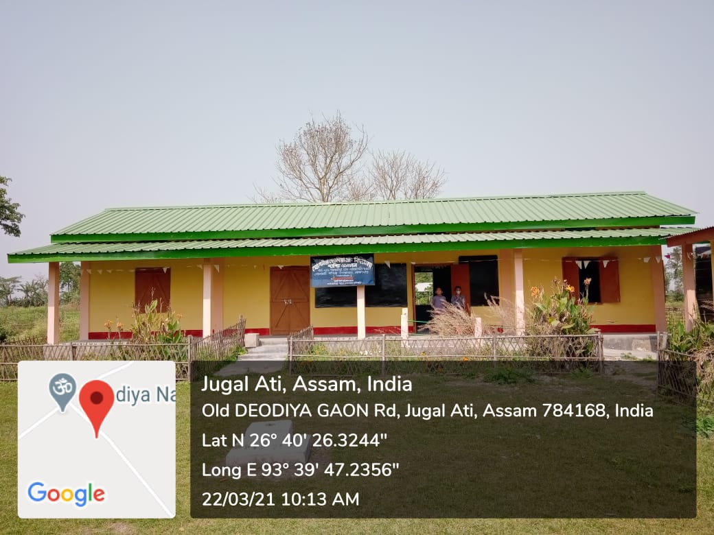

 | Photograph of Sl. No. 5 (b):
 | Handed over three nos. of tractor to Custom Hiring centre
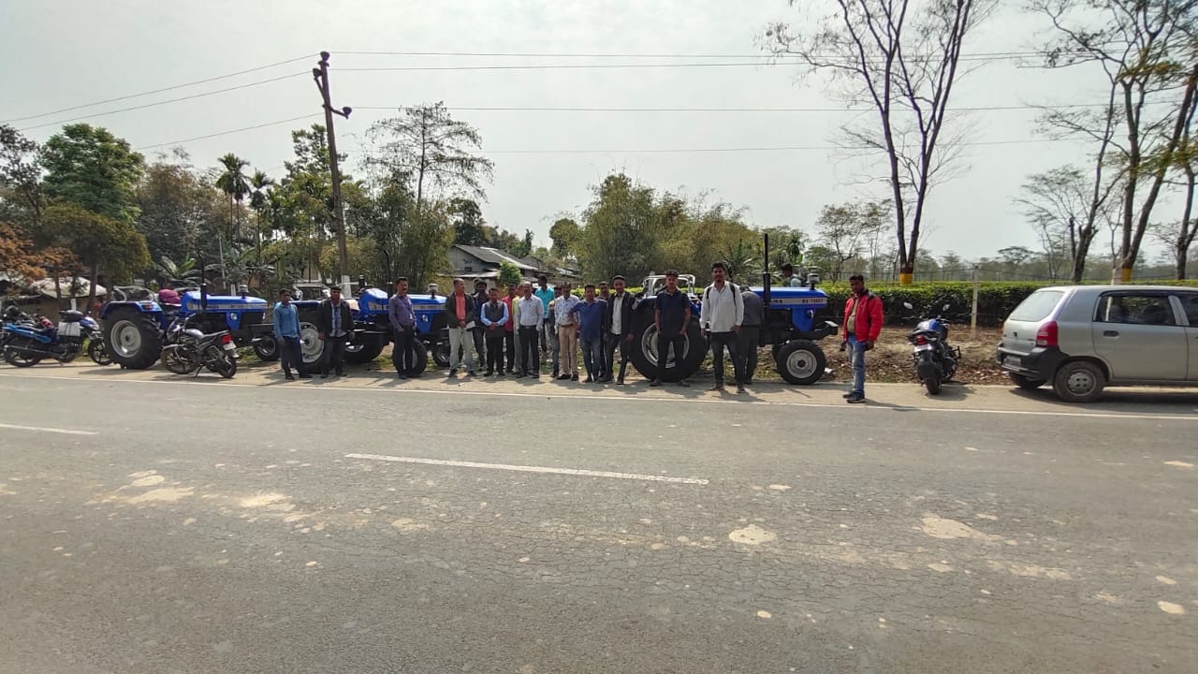

 | Photograph of Sl. No. 6
 | Livelihood development programme on production of Agarbatti for PWDs on 14th January 21
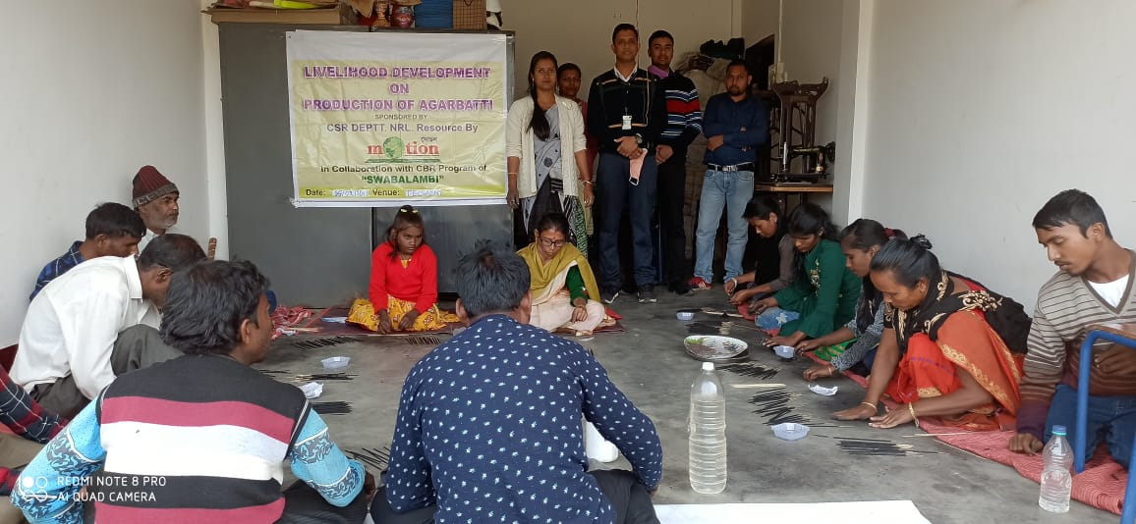

 | Photograph of Sl. No. 9
 | Inauguration of Pandit Hemchandra Goswami Sahitya Sabha Bhawan at Dhekial, Golaghat
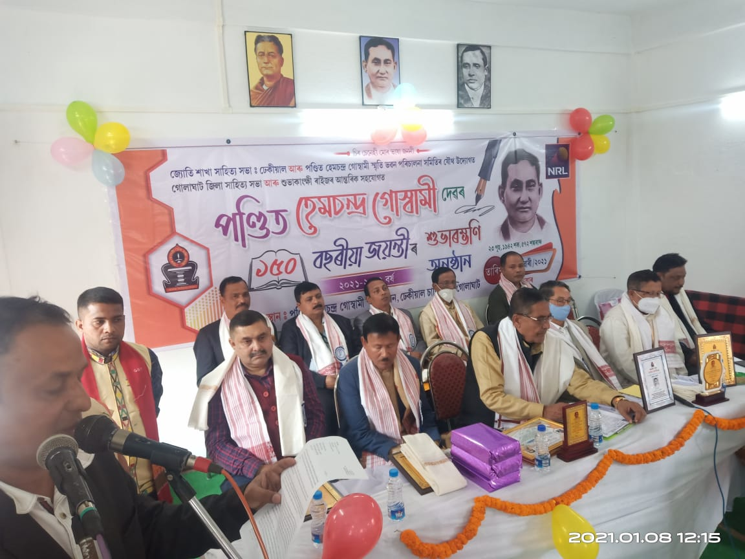

 | Photograph of Sl. No. 10 (a)
 | Scouting and Trials of players for induction into NRL football Academy

