Photographs
PHOTOGRAPHS OF THE ACTIVITIES OF QTR-3 |  | Back

 | Photograph of Sl. No. 1 (a):
 | Installation of Drinking Water Plants in Educational Institutes
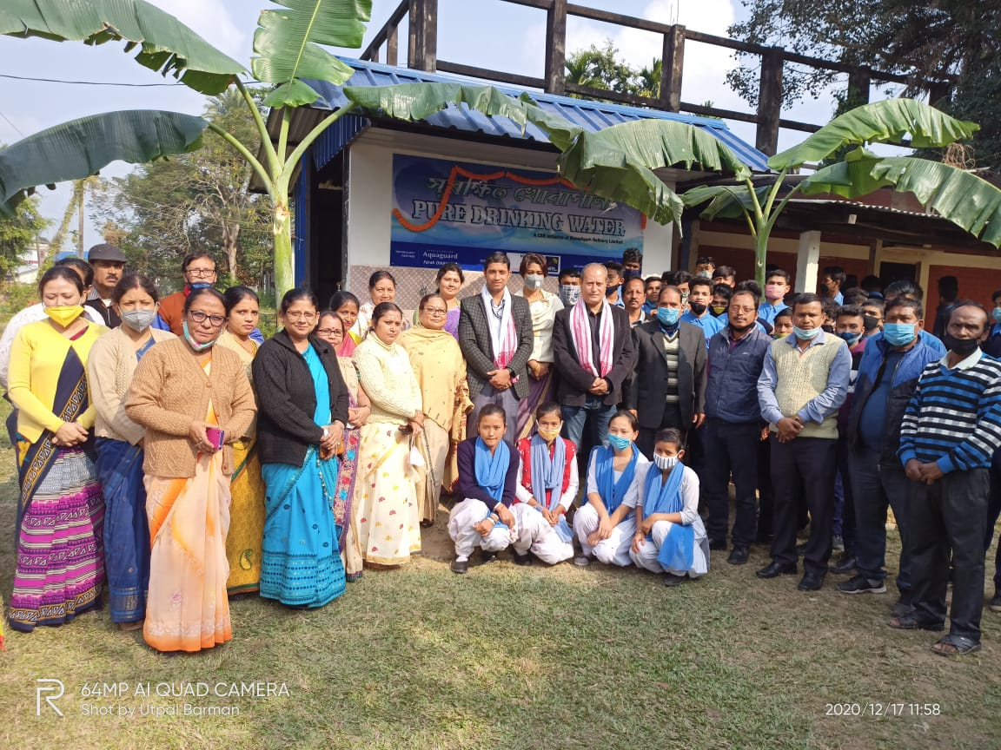

 | Photograph of Sl. No. 2 (d):
 | Jan Andolan campaign
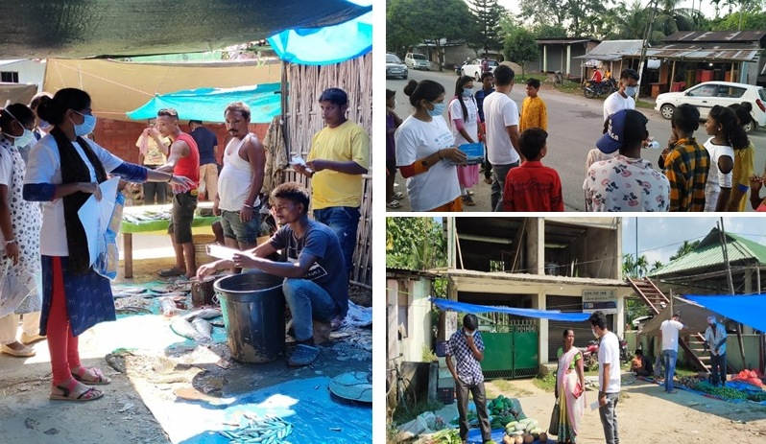

 | Photograph of Sl. No. 3 (a):
 | 'Project-Swacchh Vidyalaya Abhiyan'
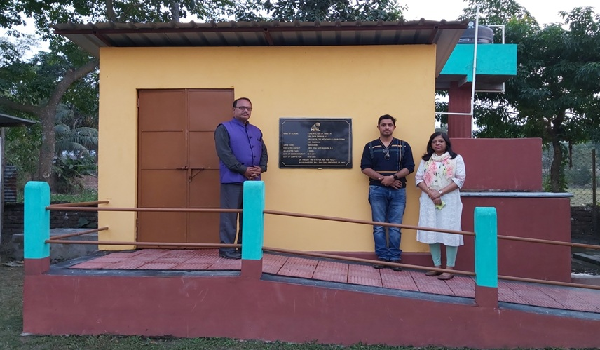

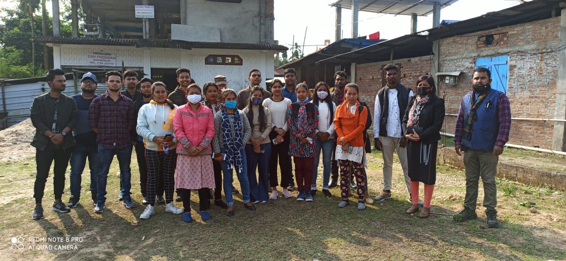
 | Photograph of Sl. No. 5 (a):
 | Students selected for Skill training program on Dialysis Technician, Radiology Technician, Hospitality & Tourism sector

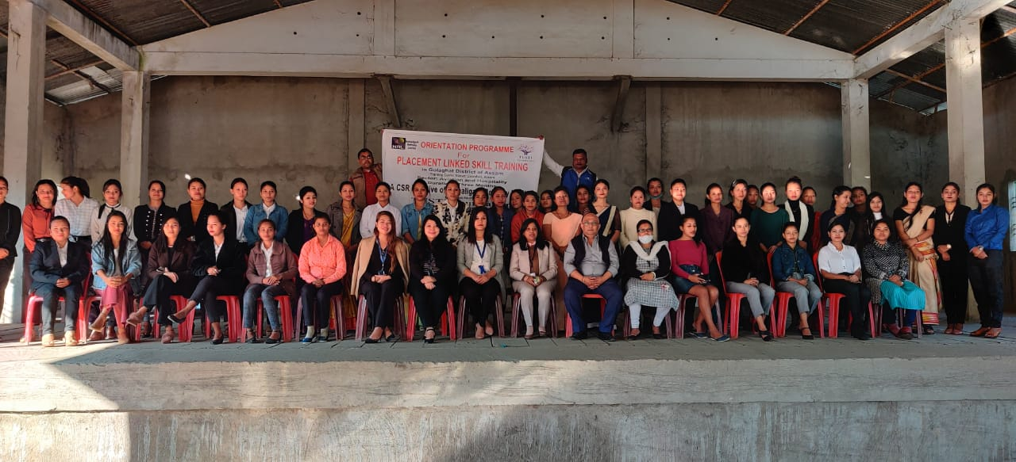

 | Photograph of Sl. No. 6
 | Distribution of Aids & appliances among PWDs on World Disability day
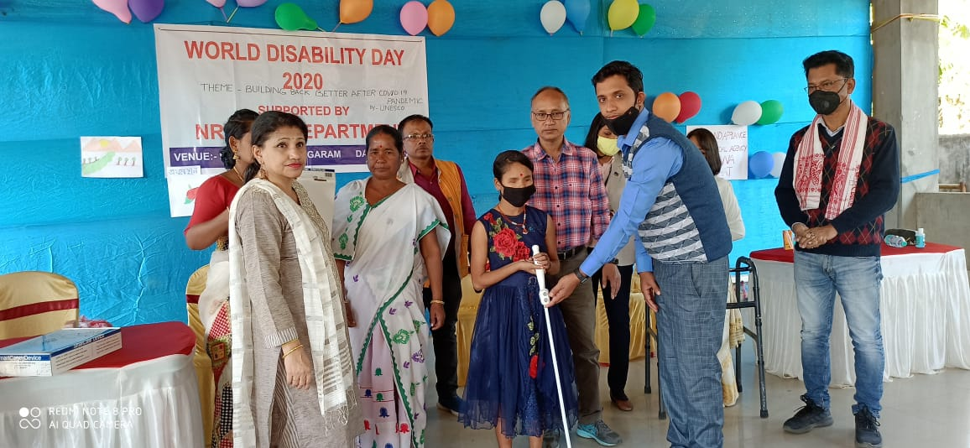

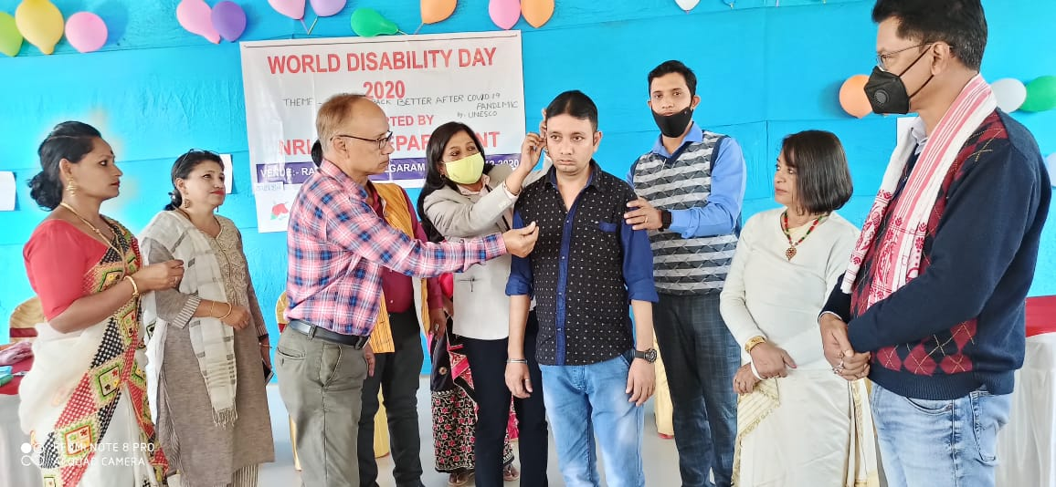

 | Photograph of Sl. No. 11 (a)
 | Installation of Solar Street Light at Ponka village road
