Photographs
PHOTOGRAPHS OF THE ACTIVITIES OF QTR-2 |  | Back

 | Photograph of Sl. No. 1 (a):
 | Installation of Drinking Water Plants in Educational Institutes

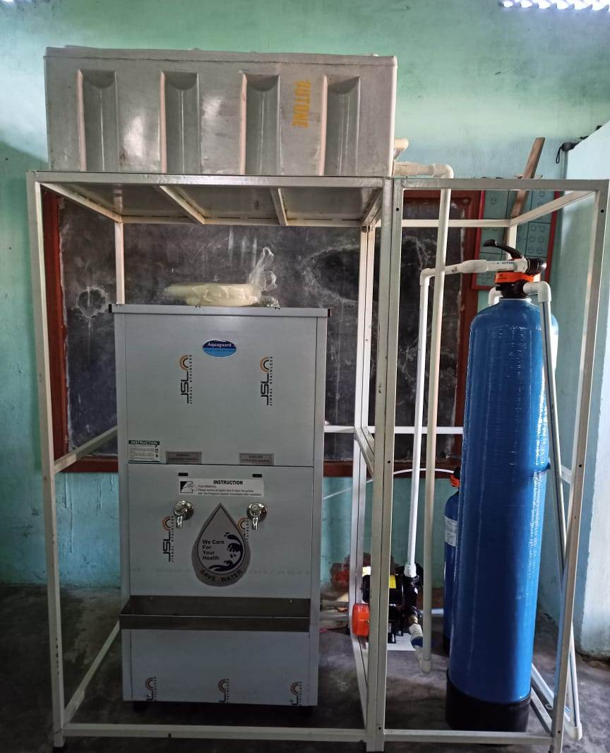

 | Photograph of Sl. No. 2 (a):
 | Mobile Medical Health Camp

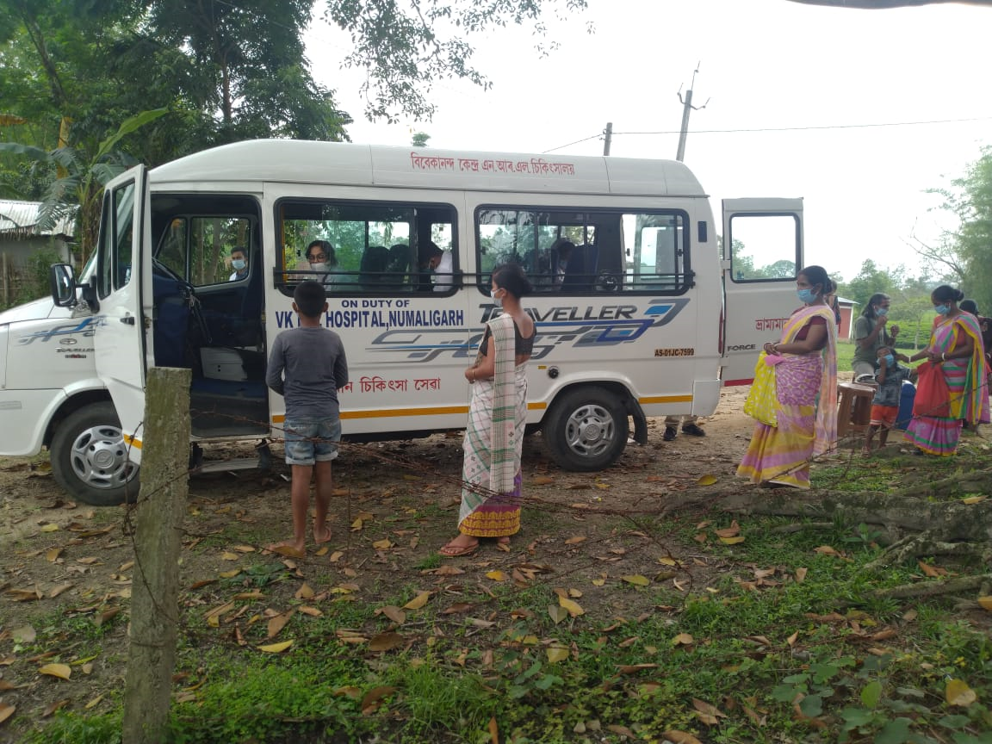

 | Photograph of Sl. No. 3 (b):
 | Construction of Public Toilet facilities (Job in progress)

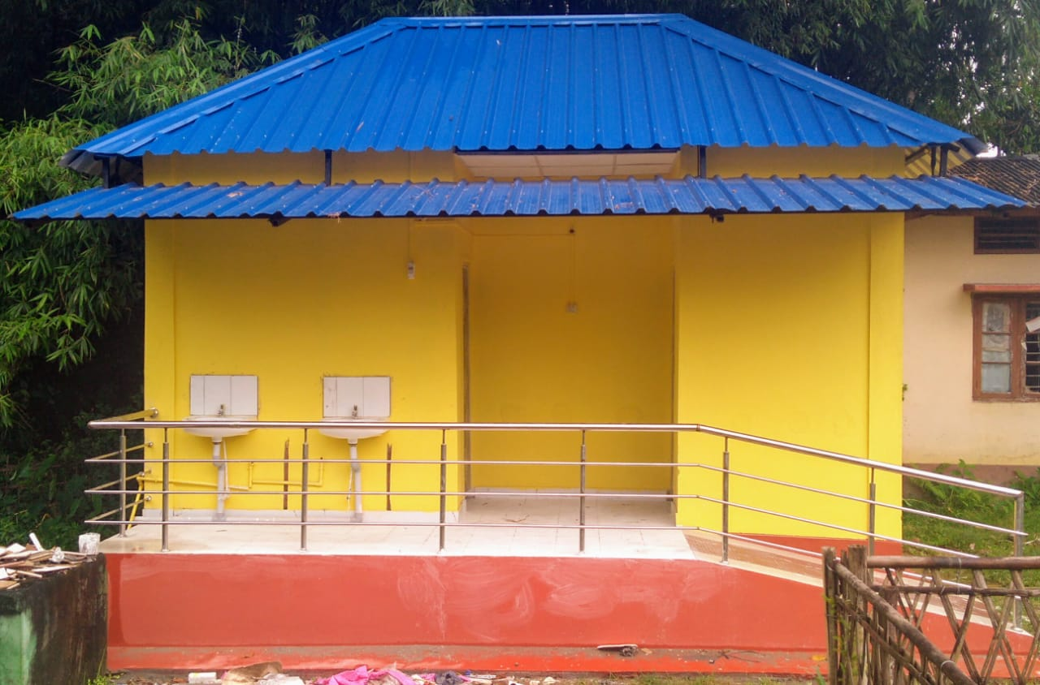

 | Photograph of Sl. No. 4 (a):
 | Construction / renovation of School infrastructure
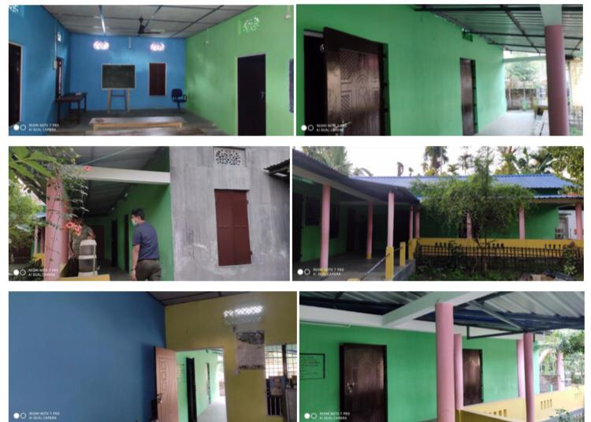

 | Photograph of Sl. No. 5 (d):
 | Re-opening of ITI, Golaghat after COVID-19 lockdown

